MEB Report
 | Off | On | Target
2022-01-31 | 4.80 | 524.71 | 123.99
2022-02-01 | 5.66 | 685.66 | 123.99
2022-02-02 | 27.91 | 653.57 | 123.99
2022-02-03 | 17.11 | 638.19 | 123.99
2022-02-04 | 5.69 | 597.55 | 123.99
2022-02-05 | 6.12 | 0.00 | 123.99
2022-02-06 | 6.25 | 0.00 | 123.99
 |  |  | Target | On | Off | %
2022-01-31 | 31 | 1 | 123.99 | 524.71 | 4.80 | 0.91%
2022-02-01 | 1 | 2 | 123.99 | 685.66 | 5.66 | 0.83%
2022-02-02 | 2 | 3 | 123.99 | 653.57 | 27.91 | 4.27%
2022-02-03 | 3 | 4 | 123.99 | 638.19 | 17.11 | 2.68%
2022-02-04 | 4 | 5 | 123.99 | 597.55 | 5.69 | 0.95%
2022-02-05 | 5 | 6 | 123.99 |  | 6.12
2022-02-06 | 6 | 7 | 123.99 |  | 6.25
 |  |  |  | 619.94 | 10.50 | 2%

 |  |  |  |  | Note
 |  |  | Average Peak Load / Month Production Days (KWH) | 619.94
 |  |  | Average Peak Load / Month Shutdown Days (KWH) | 10.50
 |  |  | Shutdown Days over Production Days | 2% | If greater than 20 Box should be red

Device Report
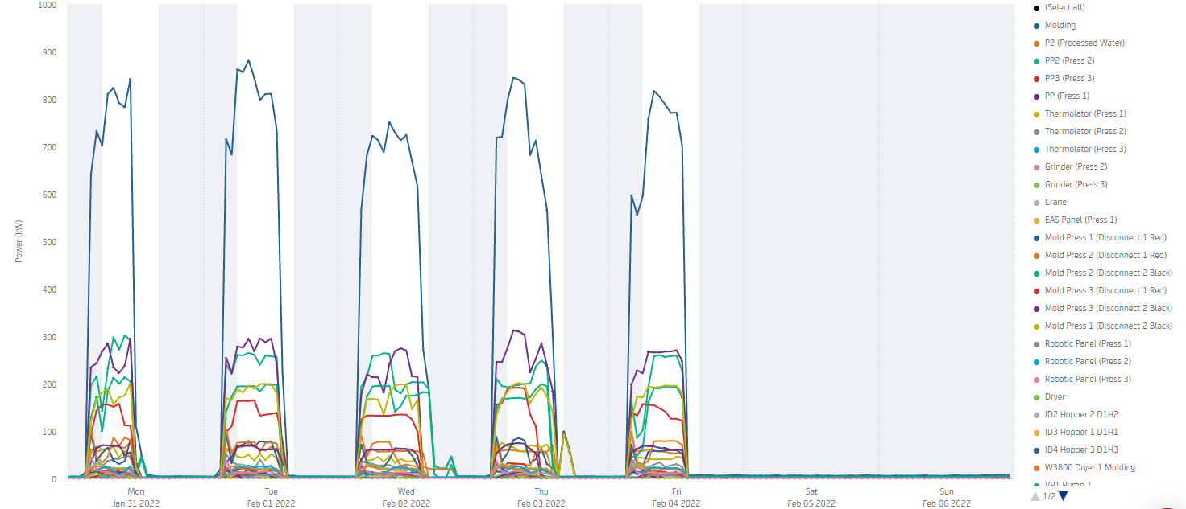

Displayed on 5 min interval.

